Treatment Protocols
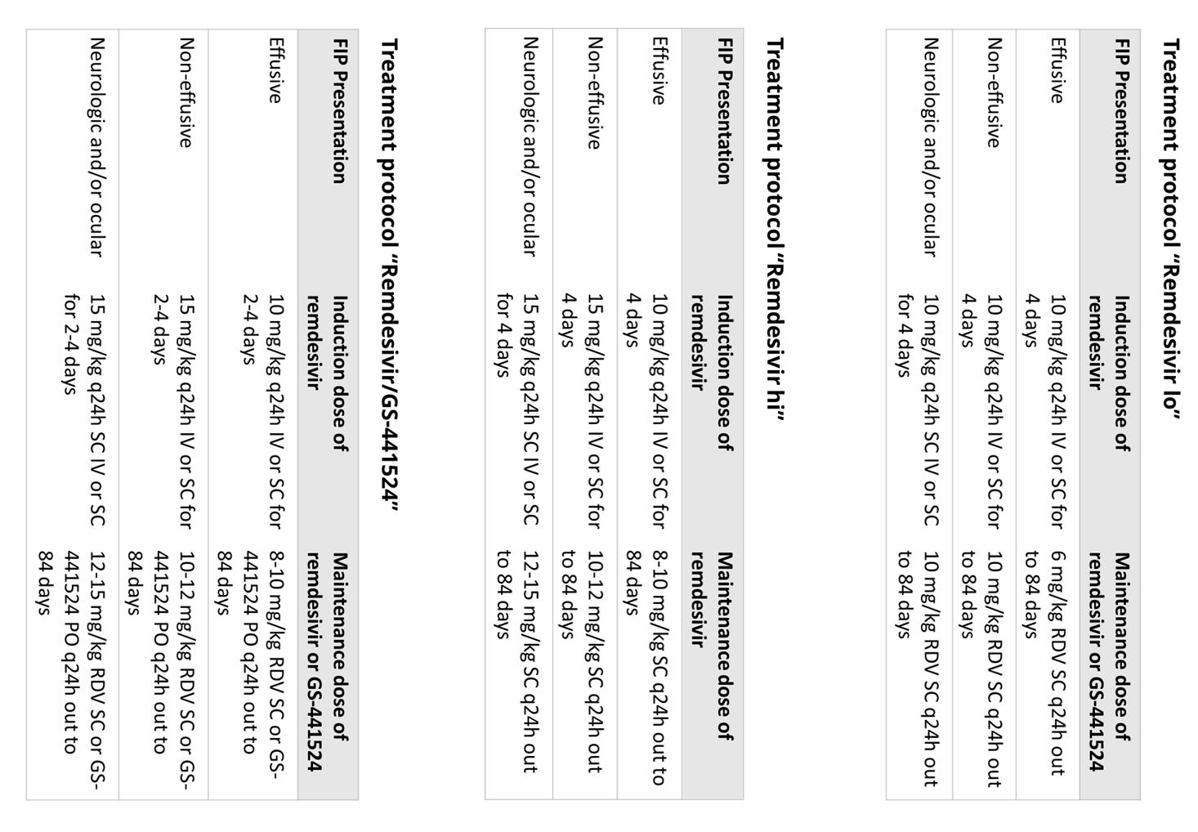
Treatment Protocols

Protocols applied to prospectively recruited cats with FIP as published in Coggins et al 2023. It is important to note that all protocols are now outdated. Higher dosages are now routinely recommended, and clinicians should refer to the most recent published material for current treatment protocols.

